20%IRA
FDP Form 7- 20% Component of the IRA Utilization

20% COMPONENT OF THE IRA UTILIZATION
FOR THE 3rd QUARTER, CY 2016

Province, City or Municipality: PANGASINAN

PROGRAM OR PROJECT | LOCATION | TOTAL COST | DATE STARTED | TARGET COMPLETION DATE | PROJECT STATUS |  | No. of Extensions, if any | Remarks (Date of Obligation)
 |  |  |  |  | % OF COMPLETION | TOTAL COST INCURRED TO DATE
Social Development
Labor, materials, equipment and other incidentals for the construction of Solar Dryer, | Brgy. Carayacan, San Quintin | 1,048,142.25 | Labor and Materials Only |  | 100% | 1,048,142.25 |  | Obligated
Labor, materials, equipment and other incidentals for the construction of covered court (gymnsium) | Umanday C/S, Bugallon | 2,469,200.18 | 2016-03-29 | 2016-05-27 | 100% | 2,469,200.18 |  | Obligated
Labor, materials and other incidentals for the proposed Elevated flooring at Open Court, WTF and Drainage Canal | Prov'l Jail, Lingayen | 1,140,378.00 | 2016-05-24 | 2016-06-13 | 100% | 1,140,378.00 |  | Obligated
Labor, materials and other incidentals for the construction of covered court, Phase 1 | Brgy. Estanza, Lingayen | 662,286.00 | Labor and Materials Only |  | 100% | 662,286.00 |  | Obligated
Labor, materials, equipment anf other incidentals for the repair/installation of Paver Blocks and Repainting of Curb and Gutter | Maramba Blvd., Lingayen | 1,038,998.00 | Labor and Materials Only |  | 100% | 1,038,998.00 |  | Obligated
Materials, Labor, equipment and other incidentals for the construction oof Brgy. Hall | Poblacion Zamora, Mangatarem | 910,518.00 | Labor and Materials Only |  | 100% | 910,518.00 |  | Obligated
Labor, materials, equipment and other incidentals for the proposed construction of Breakwater (Stone Masonry) | Capitol Beachfront, Lingayen | 6,792,163.00 | Labor and Materials Only |  | 100% | 6,792,163.00 |  | Obligated
Labor, materials, equipment and other incidentals for the improvement (repair and extension) of Riprap with gabions | along Agno River, Brgy. Bañaga, Bugallon | 1,622,698.00 | Labor and Materials Only |  | 100% | 1,622,698.00 |  | Obligated
Materials, labor, equipment and other incidentals for the construction of 1-storey Day Care Center | Brgy. Nalsian Norte, Malasiqui | 890,115.00 | Labor and Materials Only |  | 100% | 890,115.00 |  | Obligated
Labor, materials, equipment and other incidentals for the construction of Multi-purpose Bldg. (Finished Floor elevated by 1.60 m) and Ground Improvement at Adjacent sides | Brgy. Malabobo, Mangatarem | 1,651,544.00 | Labor and Materials Only |  | 100% | 1,651,544.00 |  | Obligated
Labor, materials, equipment and other incidentals necessary for the construction of Multi-purpose Bldg. | Poblacion, Bautista | 2,919,572.00 | Labor and Materials Only |  | 100% | 2,919,572.00 |  | Obligated
Materials, labor, equipment for the upgrading/ improvement of PPH, as per Extra Work #1 | San Carlos City | 915,424.93 | Labor and Materials Only |  | 100% | 915,424.93 |  | Obligated
Labor, materials, equipment, and other incidentals for the construction of supply room with oxygen storage, Dasol Com. Hosp. | Dasol, Pangasinan | 806,421.00 | Labor and Materials Only |  | 100% | 806,421.00 |  | Obligated
Materials, labor, equipment and other incidentals-improvement/painting of perimeter fence and concrete pavement of basketball court | Poponto, Bautista | 924,210.79 | 2016-05-16 | 2016-06-05 | 100% | 924,210.79 |  | Obligated
Labor, materials and other incidentals for the construction of Drainage Canal at Evacuation Center/PSWD | LDH Compound, Lingayen | 898,667.00 | Labor and Materials Only |  | 100% | 898,667.00 |  | Obligated
Labor,materials, equipment and other incidentals for the improvement of Drainage outlet | NRSCC, Lingayen | 1,403,505.00 | Labor and Materials Only |  | 100% | 1,403,505.00 |  | Obligated
Economic Development |  |  |  |  | 100% |  |  | Obligated
Labor, materials, and other incidentals for the rehabilitation of Lumbang Bridge at , as per Extra Work #1 | Brgy. Lumbang, Calasiao | 376,883.73 | Labor and Materials Only |  | 100% | 376,883.73 |  | Obligated
Labor, materials,equipment and other incidentals for the installation of RCCP w/ Headwall | along Guesang-Estanza Prov'l Road, Lingayen | 290,473.00 | 2016-09-29 | 2016-09-29 | 100% | 290,473.00 |  | Obligated
18 drums E. Asphalt, 418 MT Asphalt Pre-mix for Asphalting and blocktopping of Municipal grounds | Sison, Pangasinan | 2,558,200.00 | Materials Only |  | 100% | 2,558,200.00 |  | Obligated
Labor, materials, equipment and other incidentals for the concrete paving of Polong Bridge Approach | Bugallon, Pangasinan | 654,986.00 | Labor and Materials Only |  | 100% | 654,986.00 |  | Obligated
Labor, materials, equipment and other incidentals for the improvement/ concreting w/ stone masonry | Bogtong Bolo Rd., Casilagan, Mangatarem | 6,333,069.00 | 2016-05-26 | 2016-07-13 | 100% | 6,333,069.00 |  | Obligated
Labor, materials and other incidentals for the construction of RCCP with Stone Masonry and Side Wall | Tara Road, Bolinao | 431,455.00 | Labor and Materials Only |  | 100% | 431,455.00 |  | Obligated
Materials, labor, equipment and other incidentals for the improvement/ rehabilitation of Asinan-Pantal Bridge | Bugallon, Pangasinan | 6,094,481.00 | Labor and Materials Only |  | 100% | 6,094,481.00 |  | Obligated
Materials, labor, equipment other incidentals for the concrete paving of Malasiqui-Catablan Road | Malasiqui, Pangasinan | 6,837,318.00 | Labor and Materials Only |  | 100% | 6,837,318.00 |  | Obligated
Labor, materials, equipment and other incidentals for the improvement/ rehabilitation along Pao-Pozorrubio Road | Pozorrubio, Pangasinan | 247,162.00 | Labor and Materials Only |  | 100% | 247,162.00 |  | Obligated
Labor, materials, equipment and other incidentals for the concreting of Dangley-Aloleng Mamio Road | Agno, Pangasinan | 6,774,000.00 | Labor and Materials Only |  | 100% | 6,774,000.00 |  | Obligated
Asphalt materials for the improvement (sealing, patching, and blocktopping) of Municipal Road Network | San Fabian, Pangasinanm | 4,840,000.00 | Materials Only |  | 100% | 4,840,000.00 |  | Obligated
Asphalt materials for the Improvement/blocktopping of Municipal Roads | Sison, Pangasinan | 4,194,800.00 | Materials Only |  | 100% | 4,194,800.00 |  | Obligated
Materials, labor, equipment and other incidentals for the proposed riprapping of road shoulderf along Libson- San Joaquin Road | San Pablo Section, Sta. Maria | 965,324.00 | Labor and Materials Only |  | 100% | 965,324.00 |  | Obligated
Materials, labor, equipment and other incidentals for the concreting of Sitio Stone Quarry Road with RCCP and Stone Masonry | Labrador, Pangasinan | 1,229,693.00 | Labor and Materials Only |  | 100% | 1,229,693.00 |  | Obligated
172 MT Asphalt Pre-mix 6 drums E. Asphalt for use of blocktopping | Brgy. Sabangan Road, Lingayen | 1,032,400.00 | Materials Only |  | 100% | 1,032,400.00 |  | Obligated
Asphalt materials for the improvement/asphalting of Poblacion Roads, | Bani, Pangasinan | 2,252,800.00 | Materials Only |  | 100% | 2,252,800.00 |  | Obligated
10 drums E. Asphalt and 230 MT Asphalt Pre-mix |  | 1,409,000.00 | Materials Only |  | 100% | 1,409,000.00 |  | Obligated
736 MT Asphalt Pre-mix and 32 drums E. Asphalt for Asphalting of San Leon-San Vicente Road | Umingan, Pangasinan | 4,508,800.00 | Materials Only |  | 100% | 4,508,800.00 |  | Obligated
575 MT Asphalt Pre-mix and 18 drums emulsified Asphalt for Asphalting of La Paz Road | Umingan, Pangasinan | 3,421,700.00 | Materials Only |  | 100% | 3,421,700.00 |  | Obligated
618 MT Asphalt Pre-mix and 27 drums E. Asphalt overlay/patching along asphalted roadline of Agno River Dike | Brgy. Galarin-Malibong, Urbiztondo | 3,787,800.00 | Materials Only |  | 100% | 3,787,800.00 |  | Obligated
Labor, materials, equipment and other incidentals necessary for the concreting of San Manuel - San Nicolas Rd. | San Nicolas, Pangasinan | 1,158,496.40 | Labor and Materials Only |  | 100% | 1,158,496.40 |  | Obligated
Labor, materials, equipment and other incidentals necessary for the concreting of San Aurelio 3rd FMR, | Balungao, Pangasinan | 2,769,058.09 | 2016-01-22 | 2016-03-16 | 100% | 2,769,058.09 |  | Obligated
Materials. Labor, equipment and other incidentals necessary for concreting of Brgy. Don Benito Rd. | Pozorrubio | 2,495,506.36 | Labor and Materials Only |  | 100% | 2,495,506.36 |  | Obligated
Loans granted to various Associations and Multi-Purpose Cooperatives | N/A | 2,240,000.00 | Loans Only |  | 100% | 2,240,000.00 |  | Obligated
Amortization of Principal and Interest on Loan to LBP | N/A | 35,671,730.27 | Loans Only |  |  | 35,671,730.27

We hereby certify that we have reviewed the contents and hereby attest to the veracity and correctness of the data or information contained in this document.

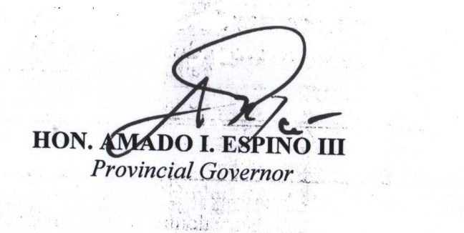


ARTURO V. SORIANO |  |  |  |  | HON. AMADO I. ESPINO, III
Provincial Accountant |  |  |  |  | GOVERNOR

SEF
FDP Form 11 - SEF Utilization
(SEF Budget Accountability Form No. 1)

REPORT OF SEF UTILIZATION
For the Quarter Ending September 30, 2016

Province/City Municipality |  | Pangasinan

Receipt from SEF |  |  |  | P151,170,913.04

Less: | DISBURSEMENTS (broken down by expense class and by object of expenditure)

 | Personal Services
 |  |  |  | -0-

 | Maintenance and Other Operating Expenses
 |  |  |  | 82,894,526.34

 | Capital Outlay
 |  |  |  | -0-

 | Financial Expenses
 |  |  |  | -0-

Sub-total |  |  |  | P82,894,526.34
Balance |  |  |  | P68,276,386.70

 |  |  | We hereby certify that we have reviewed the
 |  |  | contents and hereby attest to the veracity and
 |  |  | correctness of the data or information
 |  |  | contained in this document.

 |  |  | ARTURO V. SORIANO, CPA
 |  |  | Provincial Accountant
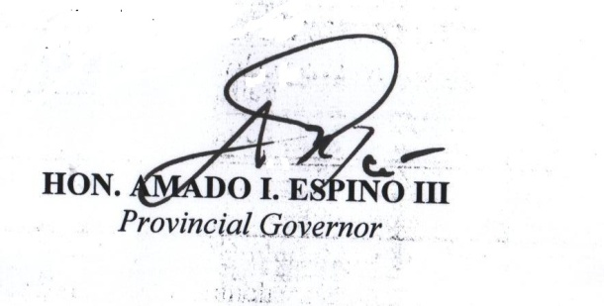

 |  |  | HON. AMADO I. ESPINO, III
 |  |  | Governor

