20%ira
FDP Form 7- 20% Component of the IRA Utilization

20% COMPONENT OF THE IRA UTILIZATION
FOR THE 1ST QUARTER, CY 2017

Province, City or Municipality: PANGASINAN

PROGRAM OR PROJECT | LOCATION | TOTAL COST | DATE STARTED | TARGET COMPLETION DATE | PROJECT STATUS |  | No. of Extensions, if any | Remarks
 |  |  |  |  | % OF COMPLETION | TOTAL COST INCURRED TO DATE
Social Development
Labor, materials, equipment and other incidentals for the construction of Multi-purpoose Bldg. (covered court) | Sagud Bahley, San Fabian | 2,397,033.00 | 2017-02-27 | on going | 35% | 838,961.55 |  | OBLIGATED
Labor, materials, equipment and other incidentals for the construction of Bleacher | Municipal Plaza at Calasiao | 4,092,437.00 | 2017-02-20 | on going | 70% | 2,864,705.90 |  | OBLIGATED
Labor, materials, equipment and other incidentals for the proposed repair/rehabilitation of roofing of Multi-purpose Hall @ New Cemetery | Brgy. Ketegan, Bautista | 706,555.00 | 2017-04-03 | on going | 60% | 423,933.00 |  | OBLIGATED
Labor, materials, equipment and other incidentals for the construction of covered court | Brgy. Sinabaan, Bautista | 2,466,115.00 | 2017-02-27 | on going | 45% | 1,109,751.75 |  | OBLIGATED
Labor, materials, equipment and other incidentals necessary for the Rehabilitation of Swimming Pool at NRSCC | Lingayen | 3,500,000.00 | 2017-03-22 | on going | 8% | 280,000.00 |  | OBLIGATED
Labor, materials, equipment and other incidentals for the rehabilitation of Bleachers, shower rooms, comfort rooms and fence at swimming pool, NRSCC, Lingayen | Lingayen | 1,881,736.00 | 2017-03-23 | on going | 9% | 169,356.24 |  | OBLIGATED
Labor, materials, equipment and other incidentals for the construction/improvement of MPC Bldg., | Asingan | 1,244,427.00 | 2017-03-08 | on going | 70% | 871,098.90 |  | OBLIGATED
Labor, materials, equipment and other incidentals for the the Improvement of 2-storey Multi-Purpose Bldg., (Brgy. Hall) at Brgy. Magallanes (Phase 1), | Tayug | 2,098,660.00 | 2017-04-24 | on going | 1% | 20,986.60 |  | OBLIGATED
Labor, materials, equipment and other incidentals for the construction/rehab of various facilities for Drug Rehabilitation Center | Brgy. San Vicente, Burgos, Pangasinan | P2,288,767.00 | 2017-02-15 | on going | 58% | 1,317,872.04 |  | OBLIGATED
Labor, materials, equipment and other incidentals for the replacement of roofing & rewiring of Main Bldg., Phase 1 at | Mapandan | 1,593,591.03 | 2017-03-20 | on going | 12% | 191,230.92 |  | OBLIGATED
Labor, materials, equipment and other incidentals for the construction of 2 units Artesian Well | Brgy. Sta. Maria East, San Nicolas | 320,620.00 | 2017-04-05 | on going | 85% | 272,527.00 |  | OBLIGATED
Labor, materials, equipment and other incidentals for the construction of 1 unit deep well | Brgy. Canaoalan, Binmaley | 543,200.00 | 2017-03-18 | on going | 96% | 521,472.00 |  | OBLIGATED
Sub-total |  | ₱69,743,235.03 |  |  |  | ₱36,382,522.76

Economic Development
449 MT Asphalt Pre-mix and 15 drums for the asphalting/blocktopping | Domalandan-Balangobong Road, Lingayen | 2,685,500.00 | 2017-04-25 | 2017-04-28 | 100% | 2,685,500.00 |  | OBLIGATED
Labor, materials, equipment and other incidentals for the proposed concreting of road | Brgy. Bocboc West, Aguilar | 2,975,206.00 | Not stated |  | 50% | 1,487,603.00 |  | OBLIGATED
Labor, material, equipment and other incidentals for concreting | Brgy. Panakol Road, Aguilar | 1,923,273.00 | Not stated |  | 90% | 1,730,945.70 |  | OBLIGATED
86 MT Asphalt Pre-mix and 4 drums Emulsified Asphalt for asphalting/ blocktopping | Brgy. Road at Brgy. San Pablo, Binanalonan | 530,600.00 | 2017-03-30 | 2017-03-31 | 100% | 530,600.00 |  | OBLIGATED
Labor, material, equipment and other incidentals for concreting | Sitio Pungis at Brgy. Warey, Malasiqui | 1,475,536.00 | 2017-04-04 | on going | 80% | 1,180,428.80 |  | OBLIGATED
159 MT Asphalt Pre-mix and 5 drums for use of Blocktopping | Brgy. Antonio Village Road, Rosales | 946,500.00 | 2017-04-06 | 2017-04-08 | 100% | 946,500.00 |  | OBLIGATED
288 MT Asphalt Pre-mix and 9 drums for use of blocktopping | Zone 4 Road at Rosales | 1,713,600.00 | 2017-04-01 | 2017-04-03 | 100% | 1,713,600.00 |  | OBLIGATED
Labor, materials, equipment and other incidentals for the rehabilitation of Taculit Bridge I (6 L.M.) | San Fabian | 2,030,275.00 | Not stated |  | 6% | 121,816.50 |  | OBLIGATED
Labor, materials, equipment and other incidentals for the construction of hanging bridge | Brgy. Garrita, Bani | 2,171,408.00 | Not stated |  | 5% | 108,570.40 |  | OBLIGATED
Sub-total |  | ₱114,572,941.79 |  |  |  | ₱10,505,564.40

Environmental Development

Grand Total |  | ₱184,316,176.82 |  |  |  | ₱46,888,087.16

We hereby certify that we have reviewed the contents and hereby attest to the veracity and correctness of the data or information contained in this document.


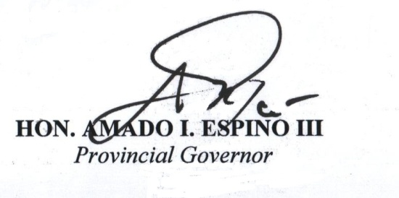

CATHERINE DC. CAMBA, CPA |  |  |  |  | HON. AMADO I. ESPINO, III
Officer in Charge-Provincial Accounting Office |  |  |  |  | Governor

LDRRM
FDP Form 8 - Local Disaster Risk Reduction and Management Fund Utilization
(COA Form)

LOCAL DISASTER RISK REDUCTION AND MANAGEMENT FUND UTILIZATION
For The Quarter January to March 2017
Province of Pangasinan

 | LDRRMF
Particulars | Quick Response | Mitigation Fund | NDRRMF | From Other LGUs | From Other Sources | Total
 | Fund (QRF) | 70%
 | 30%
A. Sources of Funds:
Current Appropriation | 52,233,739.00 | 121,878,725.50
Continuing Appropriation |  | 9,512,025.00
Previous Year's Appropriation transferred to the Special Trust Fund |  | 97,152,215.91
Transfers/Grants |  |  |  |  |  | -
Others ( Please specify) |  |  |  |  |  | -
Total Funds Available | 52,233,739.00 | 228,542,966.41 | - | - | - | 280,776,705.41

B. Utilization
Medicines
Medical Supplies
Food Supplies |  | 52,500.00
Office Supplies
Repair of Evacuation Center
Disaster Response & Rescu Equipment
Institutional/Capacity Development ( Ex. Trainings, environmental assessment & other related activities)
Construction of Evacuation Center
Capital Outlay - Equipment |  | 2,962,290.00
Transfer to other LGUs
Other Maintenance and Operating Expenses |  | 1,789,762.75
Traveling Expense
Training Expense |  | 10,980.00
IT Equipment & Software
Motor Vehicles
Other Machineries and Equipment
Watercrafts
Other Property, Plant and Equipment
Roads, Highways and Bridges |  | 16,081,344.36
Communication Equipment
Gasoline, Oil, Lubricants |  | 309,898.52
Furniture & Fixtures
Donations
Repair/Rehabilitation of Public Infrastructures, Roads, Highways and Bridges, etc.
Repair & Maintenance- Building & Other Structures |  | 53,027.00
Honorarium |  | 42,000.00
Furnitures & Fixtures
Repair & Maintenance-Motor Vehicles
Total Utilization | - | 21,301,802.63 | - | - | - | 21,301,802.63
Unutilized Balance | 52,233,739.00 | 207,241,163.78 | - | - | - | 259,474,902.78
I hereby certify that I have reviewed the contents and hereby attest to the veracity and correctness of the data or
information containedin this document.
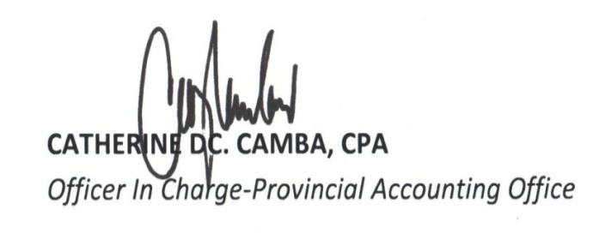

 |  |  | CATHERINE DC. CAMBA, CPA
 |  |  | Officer In Charge-PACO

SEF
FDP Form 11 - SEF Utilization
(SEF Budget Accountability Form No. 1)

REPORT OF SEF UTILIZATION
For the Quarter Ending March 31, 2017

Province/City Municipality |  | Pangasinan

Receipt from SEF |  |  |  | ₱67,698,022.55

Less: | DISBURSEMENTS (broken down by expense class and by object of expenditure)

 | Personal Services
 |  |  |  | -0-

 | Maintenance and Other Operating Expenses
 |  |  |  | 13,547,781.51

 | Capital Outlay
 |  |  |  | -0-

 | Financial Expenses
 |  |  |  | -0-

Sub-total |  |  |  | ₱13,547,781.51
Balance |  |  |  | ₱54,150,241.04

 |  |  | We hereby certify that we have reviewed the
 |  |  | contents and hereby attest to the veracity and
 |  |  | correctness of the data or information
 |  |  | contained in this document.


 |  |  | CATHERINE DC. CAMBA, CPA
 |  |  | Officer in Charge-Provincial Accounting Office

 |  |  | HON. AMADO I. ESPINO, III
 |  |  | Governor

CASHFLOWS
FDP Form 9 - Statement of Cash Flow
(COA Form)

PROVINCE OF PANGASINAN
Statement of Condensed Cash Flows
GENERAL FUND
For the First Quarter Ending March 31,2017

Cash Flows from Operating Activities:
 | Cash Inflows:
 |  | Collection from Taxpayers |  | P58,800,964.11
 |  | Share from Internal Revenue Allotment |  | 740,407,314.00
 |  | Receipts from business/service income |  | 92,907,027.95
 |  | Interest Income |  | 1,098,364.80
 |  | Other Receipts |  | 38,840,140.51
 |  | Total Cash Inflow |  | 932,053,811.37
 | Cash Outflows:
 |  | Payment of expenses |  | 318,593,081.63
 |  | Payment to suppliers and creditors |  | 192,355,680.31
 |  | Payment to employees |  | 191,241,881.16
 |  | Interest Expenses |  | 12,152,966.30
 |  | Other Expenses |  | 65,837,927.99
 |  | Total Cash Outflow |  | 780,181,537.39
 | Net Cas Flows from Operating Activities |  |  | P151,872,273.98
Cash Flows from Investing Activities:
 | Cash Inflows:
 |  | Proceeds from Sale of Investment Property |  | -
 |  | Proceeds from Sale/Disposal of Property, Plant and Equipment |  | -
 |  | Collection of Principal on Loans to other Entities |  | 1,635,000.00
 |  | Total Cash Inflow |  | 1,635,000.00
 | Cash Outflows:
 |  | Purchase / Construction of Investment Property |  | -
 |  | Purchase / Construction of Property, Plant and Equipment |  | 120,838,702.37
 |  | Purchase of Bearer Biological Assets
 |  | Grant of Loans |  | 1,760,000.00
 |  | Total Cash Outflow |  | 122,598,702.37
 | Net Cash Flows from Investing Activities |  |  | P(120,963,702.37)
Cash Flows from Financing Activities:
 | Cash Inflows:
 |  | Proceeds from Loans |  | 35,526,480.75
 |  | Total Cash Inflow |  | 35,526,480.75
 | Cash Outflows:
 |  | Payment of Long-Term Liabilities |  | -
 |  | Payment of Loan Amortization |  | 48,368,592.49
 |  | Total Cash Outflow |  | 48,368,592.49
 | Net Cash Flows from Financing Activities |  |  | (12,842,111.74)
Total Cash Provided by Operating,Investing and
 |  | Financing Activities |  | 18,066,459.87
Add:Cash at Beginning of the Quarter |  |  |  | 1,236,728,223.55
Cash at the End of the Quarter |  |  |  | P1,254,794,683.42

 |  |  | Certified Correct:


 |  |  | CATHERINE DC. CAMBA, CPA
 |  |  | Officer In Charge-PACO

TRUST FUND
FDP Form 6 - Trust Fund Utilization

CONSOLIDATED QUARTERLY REPORT ON GOVERNMENT PROJECTS, PROGRAMS or ACTIVITIES
FOR THE JANUARY - MARCH QUARTER, CY 2017

Province : PANGASINAN

Program or Project | Location | Total Cost | Date Started | Target Completion Date | Project Status |  | No. of Extensions, if any | Remarks
 |  |  |  |  | % of Completion | Total Cost Incurred to Date
payment of 90% work accomplishment for furnishing labor, materials, equipment and other incidentals necessary for the CONCRETING of Asingan-San Miguel-Agno Gorge Road, Asingan, Pangasinan | Asingan, Pangasinan | 3,748,730.47 |  |  | 90% | 3,748,730.47 |  | fund from the Department Public Works and Highways
payment of 100% work accomplishment for furnishing labor, materials, equipment and other incidentals necessary for the CONCRETING of Malasiqui-Catablan Road, Malasiqui, Pangasinan | Malasiqui, Pangasinan | 4,496,446.70 |  |  | 100% | 4,496,446.70 |  | fund from the Department Public Works and Highways
payment of 100% work accomplishment for furnishing labor, materials, equipment and other incidentals necessary for the CONCRETING of Talac Boundary-Bayambang Diversion Road, Bayambang, Pangasinan | Bayambang, Pangasinan | 4,496,955.34 |  |  | 100% | 4,496,955.34 |  | fund from the Department Public Works and Highways
payment of 100% work accomplishment for furnishing labor, materials, equipment and other incidentals necessary for the CONCRETING of Mangatarem-Urbiztondo Road,Mangatrem, Pangasinan | Mangatarem, Pangasinan | 1,795,050.24 |  |  | 100% | 1,795,050.24 |  | fund from the Department Public Works and Highways
payment of IT equipment and accessories for the implementation of Bottom-Up Budgeting in Sta. Barbara, Pangasinan Local Regional Economic Development Streamlining Business Permits and Licensing System | Sta. Barbara, Pangasinan | 70,230.00 |  |  |  | 70,230.00 |  | fund from the Department of Trade and Industry

We hereby certify that we have reviewed the contents and hereby attest to the veracity and correctness of the data or information contained in this document.
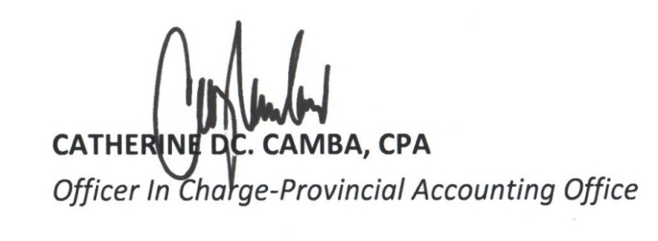

CATHERINE DC. CAMBA |  |  |  |  |  | HON. AMADO I. ESPINO, III
Officer-In-Charge, Provincial Accounting Office |  |  |  |  |  | Governor

